Práctica
Cosmopolitan Cities

Answer the following questions about the text “Cosmopolitan Cities”
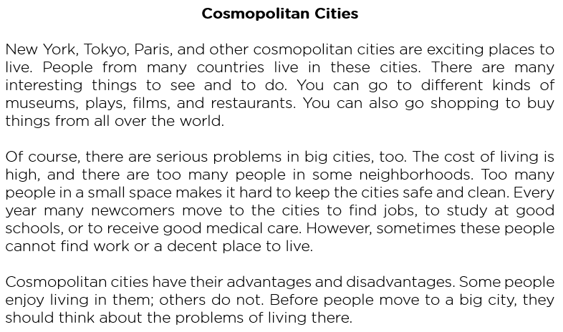

1. | Are cosmopolitan cities exciting places to live?
 | Escribe tus respuestas aquí.

2. | What are some interesting things to see and to do?

3. | What are two serious problems in big cities?

4. | What makes it hard to keep the cities safe and clean?

5. | Why do many newcomers move to the cities every year?

6. | Can these people always find work and a decent place to live?

7. | Does everybody enjoy living in big cities?

8. | What should people do before they move to a big city?

9. | Do you like life in big cities? (Personal answer)

10. | What are the names of the big cities in your country? (Personal answer)

Escribe en la siguiente celda, la palabra "mostrar" para ver las respuestas >>
Puedes ver las respuestas en la hoja "Respuestas" - Pág 2

