Practice
LESSON 11 – CARDINAL POINTS, DIRECTIONS, GETTING TO KNOW THE CITY

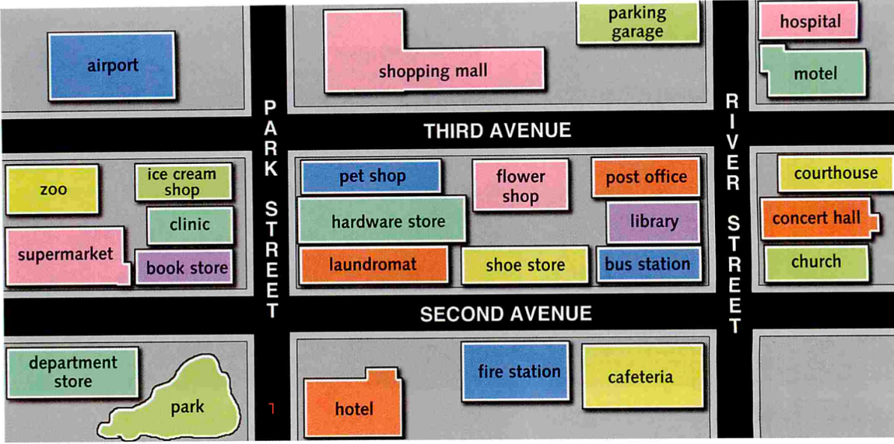

According to the map of the city, answer the following questions:

1. | What places can we find at the east of the city?
A. | Escribe tus respuestas aquí.

2. | How many places are there at the North-west part of the city?
A.

3. | Which are the two places located at the North-east of the city?
A.

4. | Is the shoe store located at the downtown?
A.

5. | Which places are located at the East of the city?
A.

6. | Is there any place located at the South-east part of the city?
A.

7. | Can we find a hospital at the North of the city?
A.

8. | Can we buy flowers at the West of the city?
A.

9. | Is there any fire station in the city, if so, where is it located?
A.

10. | Can we find a parking garage if we go down to the South-west of the city?
A.

Escribe aquí la palabra "mostrar" para ver los resultados >>
Si estás desde dispositivo movil puedes ver los resultados en la hoja "Resultados" - Pág 2

